Instructions
DoIT Local Cybersecurity Assessment Initial Document Request List
Instruction Sheet

About the worksheet
 | This worksheet (second tab) is provided to help you prepare for your DoIT assessment. Please use it to assemble the documents as listed, preferably in a shareable folder (i.e. Google Drive). Once those are assembled and you have filled out your portion of this worksheet, we ask you to send us the worksheet for an initial assessment score. If you are comfortable, we also ask that you provide us view-only access to your document folder. We do not need you to email or zip the file(s), only view or read access to your folder so we can provide the assessment with the information you provide in the worksheet. DoIT does not retain your files, only the worksheet once you have filled it out. Please read all instructions carefully for how to complete this.

Client Instructions
1. | Assemble the requested documents (Assessment tab column C; with examples in column D dropdown)
 | in a folder you will be comfortable sharing View-only access with us.
2. | Please fill out the following sections of the worksheet (Red):
 | a. | Name of Supplied File
 | b. | Evidence provided (use drop down menu to indicate document type; if "Missing" or "None", do not enter and inform Evaluator)
 | c. | Provide any notes about the supplied file
 | d. | List the responsible party in case we need to ask for follow-up questions
 |  | ** It is perfectly fine if you do not have evidence for a certain field. It is also fine to list the same document for various subcategories
3. | Notify your DoIT evaluator that you are ready by submitting this worksheet and shared view-only access to your folder. |  |  | NCSR Maturity Scale
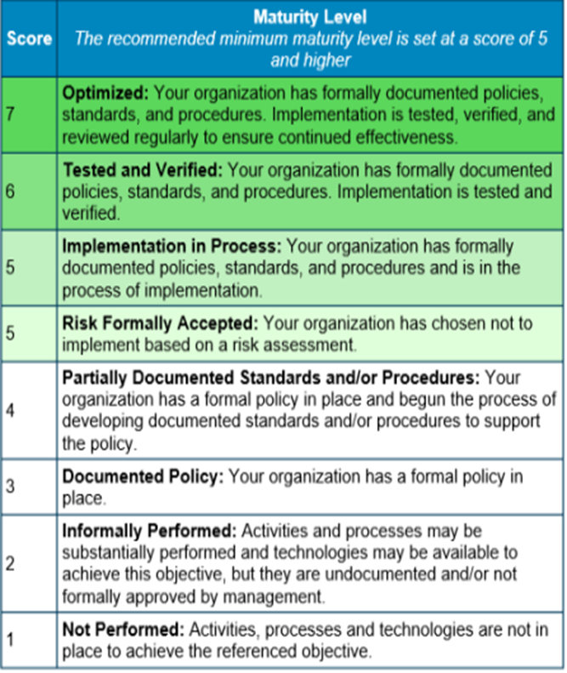
4. | We will follow up with you for an interview to review the worksheet and score.
5. | The assessment scoring levels are provided for reference.

 |  | State Minimum | State CMMI Standard
 | Score | Rating | Maturity Level
 | 0 | State Minimum Standard Rating | Not performed
 | 1 | State Minimum Standard Rating | Initial: Control is performed by the organization in an ad-hoc fashion without consistency or documentation
 | 2 | State Minimum Standard Rating | Managed: Control is performed consistently with supporting documentation such as written plans, procedures, or standards
 | 3 | Exceeds State Minimum Standard Rating | Defined: Proactive, rather than reactive. Organization-wide standards provide guidance across projects, programs, and portfolios.
 | 4 |  | Quantitatively Managed: Measured and controlled. Organization is data-driven with quantitative performance improvement objectives that are predictable and align to meet the needs of internal and external stakeholders.
 | 5 |  | Optimizing: Stable and flexible. Organization is focused on continuous opportunity and change. The organization's stability provides a platform for agility and innovation.

Evaluator Instructions
1. | Verify that all Client information is provided and correct.
2. | Using the drop down menus (Yellow sections), provide scoring as appropriate for the maturity rating demonstrated in Client's documents.
3. | (As needed) If notified that there is no document or that a document is missing, please note this by the drop down menu in the "Documents Provided" section
4. | Once all answers have been entered, save the file to the corresponding Google Drive folder with appropriate markings for document handling.

